6mA-rice-Lv dataset
6mA-rice-Lv dataset
Source paper | Lv, H., Dao, F.-Y., Guan, Z.-X., Zhang, D., Tan, J.-X., Zhang, Y., et al. (2019). iDNA6mA-Rice: a computational tool for detecting N6-methyladenine sites in rice. Front. Genet. 10, 1–11.
Download link | http://lin-group.cn/server/iDNA6mA-Rice/
Organism | Rice
Level | DNA
Length | 41 bp
Positive data | 154000
Negative data | 154000
DL paper used this data | P2 | SNNRice6mA | 2019-10-11 | P2
 | P4 | iRicem6A-CNN | 2021-01-21
 | P7 | Deep6mA | 2021-01-18
 | P14 | i6mA-CNN | 2021-05-14
 | P15 | 6mA-Pred | 2021-02-03

 |  |  |  | P4

 |  |  |  | P7

 |  |  |  | P14
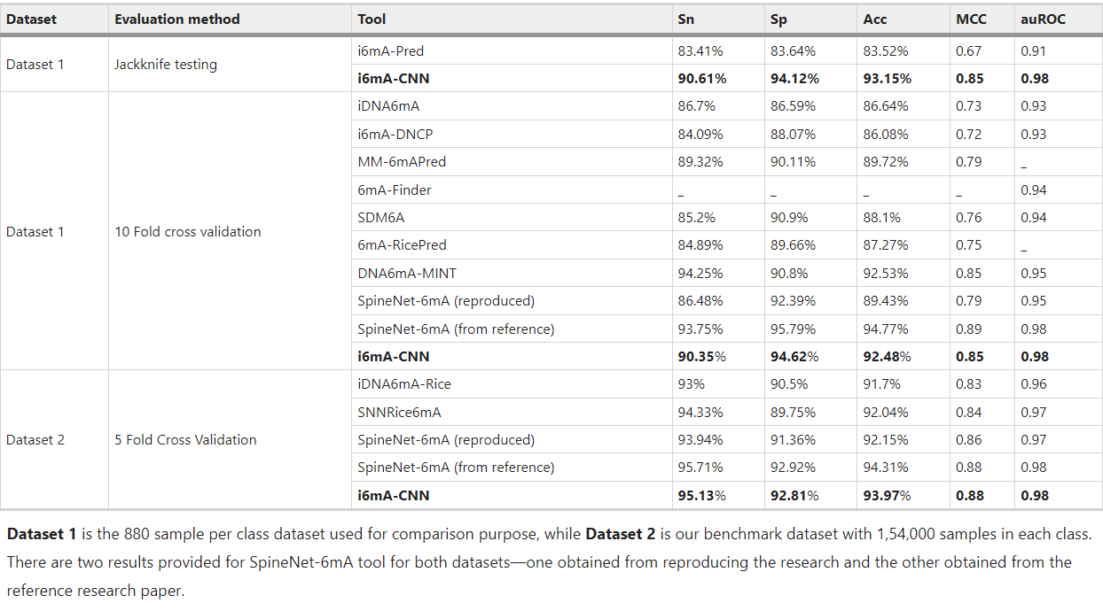

 |  |  |  | P15

Human dataset
Human dataset
Source paper | SICD6mA: Identifying 6mA Sites using Deep Memory Network
Download link | https://github.com/lwzyb/SICD6mA
Organism | Human
Level | DNA
Length | 41
Positive data | 614856
Negative data | 614856
DL paper used this data | P10 | SICD6mA | 2020-03-12 | P10
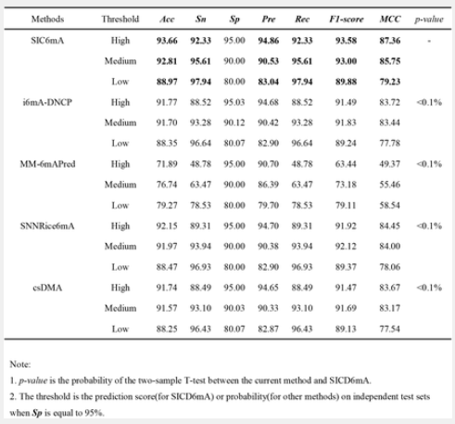
 | P15 | 6mA-Pred | 2021-02-03

 |  |  |  | P15 | just for testing

